When to use
When to use logistic regression |  |  |  | 0 - 1 |  |  | divore ~ happiness |  |  | According to the data, we found that more happiness => less divorce
 |  |  |  | p(divorce) |  |  | intercept | 1.211595774
happiness | divorce | LinerReg | LogisReg | Sigmoid | predicted_divorced | ทายถูกมั้ย | slope | -0.1381739366
10 | 0 | -0.170144 | -8.239385 | 0.03% | 0 | TRUE
8 | 0 | 0.106204 | -4.608378 | 0.99% | 0 | TRUE
9 | 0 | -0.031970 | -6.423881 | 0.16% | 0 | TRUE
7 | 0 | 0.244378 | -2.792874 | 5.77% | 0 | TRUE |  | Threshold >= | 50%
8 | 0 | 0.106204 | -4.608378 | 0.99% | 0 | TRUE
5 | 0 | 0.520726 | 0.838133 | 69.81% | 1 | FALSE |  | SUMMARY OUTPUT
9 | 0 | -0.031970 | -6.423881 | 0.16% | 0 | TRUE
6 | 0 | 0.382552 | -0.977370 | 27.34% | 0 | TRUE |  | Regression Statistics
8 | 0 | 0.106204 | -4.608378 | 0.99% | 0 | TRUE |  | Chi Square | 19.449568923
7 | 0 | 0.244378 | -2.792874 | 5.77% | 0 | TRUE |  | Residual Dev. | 6.8373680334
1 | 1 | 1.073422 | 8.100148 | 99.97% | 1 | TRUE |  | # of iterations | 9
1 | 1 | 1.073422 | 8.100148 | 99.97% | 1 | TRUE |  | Observations | 19
3 | 1 | 0.797074 | 4.469141 | 98.87% | 1 | TRUE
1 | 1 | 1.073422 | 8.100148 | 99.97% | 1 | TRUE |  |  | Coefficients | Standard Error | P-value | Odd Ratio | Lower 95% | Upper 95% | Lower 95% | Upper 95%
4 | 1 | 0.658900 | 2.653637 | 93.42% | 1 | TRUE |  | Intercept | 9.9156517799 | 5.6926885561 | 0.081539546233 | 20244.770249 | 0.28886010745 | 1418855397 | 0.28886010745 | 1418855397
5 | 1 | 0.520726 | 0.838133 | 69.81% | 1 | TRUE |  | 10 | -1.8155036832 | 1.0062739389 | 0.071202413316 | 0.16275591033 | 0.022646173948 | 1.1697113343 | 0.022646173948 | 1.1697113343
6 | 1 | 0.382552 | -0.977370 | 27.34% | 0 | FALSE
3 | 1 | 0.797074 | 4.469141 | 98.87% | 1 | TRUE
2 | 1 | 0.935248 | 6.284644 | 99.81% | 1 | TRUE
0 | 1 | 1.211596 | 9.915652 | 100.00% | 1 | TRUE

 |  |  |  |  | Accuracy | 90.00%

divorce vs. happiness

Little Math
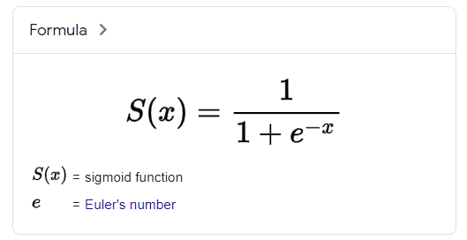
X | Y | EXP
-10 | 0.000045 | 0.000045
-9 | 0.000123 | 0.000123
-8 | 0.000335 | 0.000335
-7 | 0.000911 | 0.000911
-6 | 0.002473 | 0.002473
-5 | 0.006693 | 0.006693
-4 | 0.017986 | 0.017986
Y vs. X
-3 | 0.047426 | 0.047426
-2 | 0.119203 | 0.119203
-1 | 0.268941 | 0.268941
0 | 0.500000 | 0.500000
1 | 0.731059 | 0.731059
2 | 0.880797 | 0.880797
3 | 0.952574 | 0.952574
4 | 0.982014 | 0.982014
5 | 0.993307 | 0.993307
6 | 0.997527 | 0.997527
7 | 0.999089 | 0.999089
8 | 0.999665 | 0.999665
9 | 0.999877 | 0.999877
10 | 0.999955 | 0.999955

Model Training
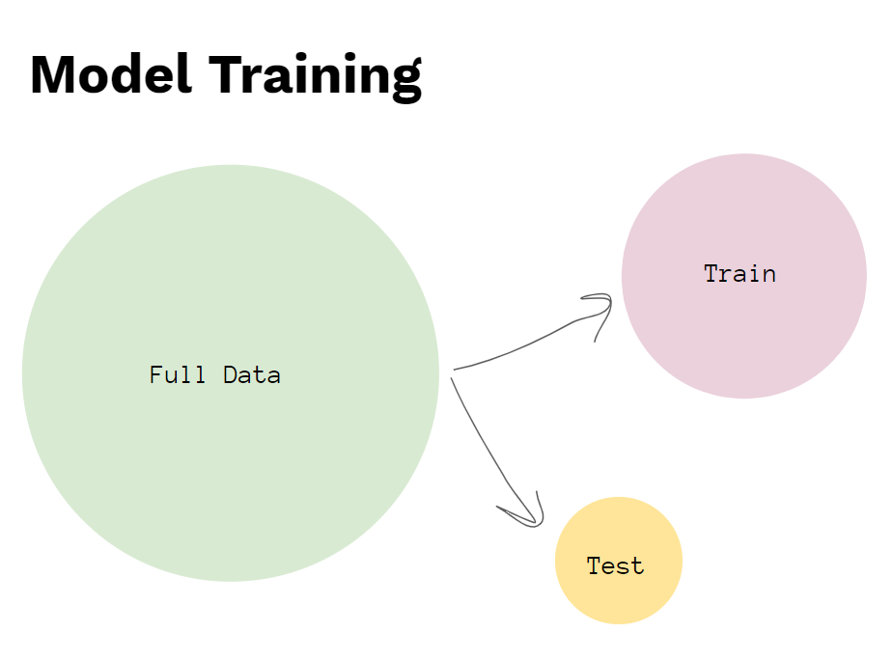
 |  |  | FALSE
ID | happiness | divorce | random
19 | 2 | 1 | 0.6511
7 | 9 | 0 | 0.0278
9 | 8 | 0 | 0.6955
11 | 1 | 1 | 0.3153
17 | 6 | 1 | 0.5161
15 | 4 | 1 | 0.2865
12 | 1 | 1 | 0.5451
4 | 7 | 0 | 0.2916
18 | 3 | 1 | 0.5643
8 | 6 | 0 | 0.7449
6 | 5 | 0 | 0.9787
5 | 8 | 0 | 0.6872
1 | 10 | 0 | 0.5287
13 | 3 | 1 | 0.9921
14 | 1 | 1 | 0.6177
16 | 5 | 1 | 0.6412
2 | 8 | 0 | 0.1743
20 | 0 | 1 | 0.1105
3 | 9 | 0 | 0.0604
10 | 7 | 0 | 0.2923

